DMAT Current State
1) | The spreadsheet is designed to provide an evaluation of the subject about which a recommendation will be made
2) | The spreadsheet does not make the final decision, it supports the decision making process by contributing to dimensions of the decision quality chain; sound reasoning, useful information and clear values
3) | When evaluating the ExAC proposal against the defined exploration metrics, construct a question pre-cursor in the format "does the [Subject] proposed for [Recommendation]"………..
4) | Use the yellow cells to select the appropriate answer for each question and enter the associated rationale in the comments section

 | Select the [Subject] |  | Select the [Recommendation] |  |  | Opportunity Reviewer
 | PROSPECT |  | FARM-IN (drilling) |  |  | Enter Name

 | Metric | Pre-cursor | Question | Guidance | Answer | Comments
 | Strategy & Budget | Does the….. | have a future work program that offers staged flexibility to exit prior to significant activity/expenditure? | Yes = subject is immature and has staged exit points OR the subject has no exit points but is sufficiently mature to warrant significant activity/expenditure, No = subject is immature with no exit points prior to significant activity/expenditure. | NO | Input comments pertinent to the Strategy & Budget Assessment
 |  | PROSPECT | align with Woodside's corporate strategy? | Yes = Supports cashflow requirements 2023 to 2025 during major Browse & Scarborough execution phase (e.g. cashflow forecast in this period, and/or minimal expex/capex 2023 to 2025) AND fast to FID (<4 years); Possible = Forecast high level expex/capex in 2023 to 2025, however potential to mitigate through options (sell/defer/dilute), partnering or new technology AND fast to FID; No = Does not support cashflow requirements 2023 to 2025 (e.g. no cashflow forecast in this period and onerous expex/capex 2023 to 2025) AND slow to FID (>4 years) | POSSIBLE
 |  | ….recommended for….. | support an established, emerging or future growth hubs? | Established = Existing Woodside production eg. NWS Australia. Emerging = Existing Woodside discoveries (2C booked), eg Myanmar, Senegal. Future Growth = no Woodside discoveries (2C booked) but with future discovery potential (held asset or new opportunity). | ESTABLISHED
 |  | FARM-IN (drilling) | align with Woodside's working interest guidelines and fit within current budget cycle constraints? | Yes = fully funded from or accomodated within existing budget AND proposed equity fits within the guidelines (15-50% WI) or there is a strategy in place to mitigate (eg farm-down); No = Signifcant unallocated funds required (>US$5M) OR proposed equity does not fit within the guidelines (15-50% WI) and there is no strategy in place to mitigate. | YES
 | Exploration Portfolio Fit | Does the….. | contain a predicted hydrocarbon phase consistent with nearby producing fields/infrastructure capability? | Yes = predicted hydrocarbon phase is consistent with nearby producing fields/infrastructure capability, No = predicted hydrocarbon phase is not consistent with nearby producing fields/infrastructure capability. | NO | Input comments pertinent to the Exploration Portfolio Fit Assessment
 |  | PROSPECT | support current basin maturity balance in the exploration portfolio? | Yes = opportunity resides within an emerging basin, OR a frontier basin with DHI support, pre-drill exit points, low level spend and a clear commercialization strategy, OR a mature Basin adjacent to existing Woodside infrastrucutre; No = opportunity resides within a frontier basin without the aforementioned exceptions OR a mature basin outside of Australia (NWS/Pluto etc). Please note that this question relates to BASIN maturity, not PLAY maturity. Refer to the Basin Maturity Definitions tab for additional guidance. | NO
 |  | ….recommended for….. | Increase diversity in the exploration portfolio? | Yes = new basin or, a new play/geologcical concept in an existing basin in the portfolio, No = will not add a new basin or, a new play/geolgocical concept to the portfolio. | YES
 |  | FARM-IN (drilling) | Have the potential to contribute signifcantly to the net risked recoverable portfolio volume? | Yes = offers single prospects/leads/concepts/pools with >75mmboe MSV, Moderate = offers single prospects/leads/concepts/pools with 25-75mmboe MSV, No = offers single prospects/leads/concepts/pools with <25mmboe MSV. | YES
 | Development Concept | Does the….. | have an expected high, moderate or low subsurface complexity? | The subsurface complexity illustrates the likely complexity of the development from a subsurface perspective based on the available information and in a geological success case. It addresses risks and opportunities such as: Structural and stratigraphic complexities, reservoir quality and hydrocarbon properties, drainage plan and recovery mechanism. | MODERATE | Input comments pertinent to the Development Concept Assessment
 |  | PROSPECT | have an expected high, moderate or low development concept complexity & cost? | The question characterizes the level of complexity of the opportunity development cases including considerations for: Physical environment; remoteness, metocean and weather conditions, Market regulations and local content requirement, Technical and concept definitions: D&C complexity, flow assurance, well interventions requirements, process facility complexity. | LOW
 |  | ……recommended for….. | have the potential to be delivered fast to market? | The ability to deliver fast to market post discovery is assessed across the following criteria: Location; maturity of domestic and regional O&G industry (analogues?), Ability to progress; domestic development and logistic index, infrastructure, JVP alignment, contractual terms and third party access requirements, Capability fit: Woodside / Operator / JVPs and Technology maturity of proposed concept. | YES
 |  | FARM-IN (drilling) | represent a future company project portfolio and cost fit? | The company portfolio resilience question addresses how the development opportunity fits relative to some of Woodside's corporate targets: project supply cost competitiveness (LNG development value chain ><US$6.50/Mmbtu, offshore gas <US$4/MMbtu to plant inlet, offshore oil development cost <US$30/bbl), unit production cost (gas <$4/boe, oil <$18/boe), development concept carbon intensity and project sanction robustness across volumes ranges. | YES
 | Technical/Subsurface | Does the….. | have a high, moderate or low geological risk for the primary prospect segment (unrolled-up)? | High risk = primary segment GPOS <25%, Moderate risk = primary segment GPOS 25-50%, Low risk = primary segment GPOS >50%. | LOW | Input comments pertinent to the Technical/Subsurface Assessment AND provide a description of the available information and subsurface data used to make the decision (eg. a new 3D seismic survey has been acquired but we do not have access to it)
 |  | PROSPECT | Have follow up potential? | Yes = multiple identified prospects within permit, Possible = additional, but poorly defined leads/concepts within permit or prospects/leads/concepts identifed in adjacent acreage with reasonable possibility of capture , No = single identified prospect only. | YES
 |  | ……recommended for….. | have geological risk and volumetric ranges that are well constrained by available data? | Yes = multiple near off-set wells + dense 2D/3D, Moderate = no or limited well data + coarse/poor quality 2D/3D, No = no well data + primarily analogues. | YES
 |  | FARM-IN (drilling) | pose significant operational risks (i.e. HP, HT, severe loss zones, Metocean)? | Yes = signifcant operational risks are expected, Possible = insufficient data to adequately assess risk, No = signifcant operational risks are not expected. | NO
 | Above Ground | Does the….. | reside within a country where country entry has been approved? | Yes = country entry has been approved, No = country entry is not currently approved. | YES | Input comments pertinent to the Above Ground Assessment
 |  | PROSPECT | reside within a country where Woodside is currently active (assuming country entry has been approved)? | Yes = Woodside is actively working in-country, No = Woodside is not actively working in-country, N/A = country entry is not currently approved. | YES
 |  | ……recommended for….. | reside within a country in which the country entry and/or gap analysis has been recently evaluated? | Yes = country entry initial assessment/gap analysis still valid, Moderate = country entry initial assessment/gap analysis evaluated within the last 1-3 years, No = country entry initial assessment/gap analysis has not been evaluated within the last 3 years. | YES
 |  | FARM-IN (drilling) | reside within a country with an acceptable above ground risk rating, or where risks can be appropriately mitigated? | Yes = exploration global risk profile with a low rating and no possibility of significant reputational damage, OR where there is high confidence that identified risks can be confidently mitigated; Moderate = exploration global risk profile with a moderate rating OR moderate possibility of significant reputational damage, OR where there is moderate confidence that identified risks can be mitigated; No = exploration global risk profile with a high rating OR strong possibility of significant reputational damage AND where there is low confidence that identified risks can be mitigated. | YES
 | Commercial | Does the….. | return or contain an opportunity with an EPOS>20% and EMV/DrillEx >1.5? | Yes = EPOS >20% AND EMV/DrillEx >1.5, Possible = EPOS <20% AND/OR EMV/DrillEx <1.5 however potential to exceed both thresholds through aggregation or other mechanism, No = EPOS <20% AND EMV/DrillEx <1.5 with no possibility to exceed through aggregation or other mechanism. | YES | Input comments pertinent to the Commercial Assessment
 |  | PROSPECT | return or contain an opportunity with success case economics for the MSV scenario that meet all corporate investment thresholds at $65/bbl? | Yes = project VIR > 0.25 + IRR >15%, Most = exceeds 1 of 2 corporate investment thresholds, No = exceeds no corporate investment thresholds | YES
 |  | ……recommended for….. | return or contain an opportunity with success case economics for the MSV scenario robust to all key uncertainties? | Yes = robust across price, CAPEX and OPEX sensitivites, Most = robust across 2 of 3 key uncertainties, No = robust across only one or no key uncertainties | YES
 |  | FARM-IN (drilling) | have fiscal and broader commercial terms that are required for commerciality sufficiently defined, and legally robust? | Yes = commercial terms are well defined and legally robust, No = commercial terms are poorly defined or not yet agreed and legally exposed. | YES

 | Very Low Risk | Low Risk | Medium Risk | High Risk | Very High Risk | Current State | Potential Future State
Strategy & Budget | 90 | 70 | 50 | 30 | 10 | 70 | 60
Exploration Portfolio Fit | 90 | 70 | 50 | 30 | 10 | 60 | 60
Development Concept | 90 | 70 | 50 | 30 | 10 | 90 | 100
Technical/Subsurface | 90 | 70 | 50 | 30 | 10 | 100 | 100
Above Ground | 90 | 70 | 50 | 30 | 10 | 100 | 100
Commercial | 90 | 70 | 50 | 30 | 10 | 100 | 100
Notwithstanding/In light of the x, y, z weaknesses/strengths of the opportunity, the decision to/not to proceed with the recommendation has been taken because....
Strong
Current State.......................................................
Potential Future State..........................................
Not all data available or more data may
become available that may impact assessment....

Input comments pertinent to the Strategy & Budget Assessment

Very Strong
Strong

Input comments pertinent to the Commercial Assessment
Input comments pertinent to the Exploration Portfolio Fit Assessment

Very Strong
Very Strong
Input comments pertinent to the Above Ground Assessment
Input comments pertinent to the Development Concept Assessment

Very Strong

Input comments pertinent to the Technical/Subsurface Assessment AND provide a description of the available information and subusrface data used to make the decision (e.g. a new 3D seismic survey has been acquired but we do not have access to it)

Element | Green Ring | G-O Ring | Orange Ring | O-R Ring | Red Ring
Strategy & Budget | 90 | 70 | 50 | 30 | 10
Portfolio | 90 | 70 | 50 | 30 | 10
Development Concept | 90 | 70 | 50 | 30 | 10
Technical/Subsurface | 90 | 70 | 50 | 30 | 10
Above Ground | 90 | 70 | 50 | 30 | 10
Commercial | 90 | 70 | 50 | 30 | 10

DMAT Potential Future State
1) | The spreadsheet is designed to provide an evaluation of the subject about which a recommendation will be made
2) | The spreadsheet does not make the final decision, it supports the decision making process by contributing to dimensions of the decision quality chain; sound reasoning, useful information and clear values
3) | When evaluating the ExAC proposal against the defined exploration metrics, construct a question pre-cursor in the format "does the [Subject] proposed for [Recommendation]"………..
4) | Use the yellow cells to select the appropriate answer for each question and enter the associated rationale in the comments section

 | Select the [Subject] |  | Select the [Recommendation] |  |  | Opportunity Reviewer
 | PROSPECT |  | FARM-IN (drilling) |  |  | Enter Name

 | Metric | Pre-cursor | Question | Guidance | Answer | Comments
 | Strategy & Budget | Does the….. | have a future work program that offers staged flexibility to exit prior to significant activity/expenditure? | Yes = subject is immature and has staged exit points OR the subject has no exit points but is sufficiently mature to warrant significant activity/expenditure, No = subject is immature with no exit points prior to significant activity/expenditure. | NO | Input comments pertinent to the Strategy & Budget Assessment
 |  | PROSPECT | align with Woodside's corporate strategy? | Yes = Supports cashflow requirements 2023 to 2025 during major Browse & Scarborough execution phase (e.g. cashflow forecast in this period, and/or minimal expex/capex 2023 to 2025) AND fast to FID (<4 years); Possible = Forecast high level expex/capex in 2023 to 2025, however potential to mitigate through options (sell/defer/dilute), partnering or new technology AND fast to FID; No = Does not support cashflow requirements 2023 to 2025 (e.g. no cashflow forecast in this period and onerous expex/capex 2023 to 2025) AND slow to FID (>4 years) | NO
 |  | ….recommended for….. | support an established, emerging or future growth hubs? | Established = Existing Woodside production eg. NWS Australia. Emerging = Existing Woodside discoveries (2C booked), eg Myanmar, Senegal. Future Growth = no Woodside discoveries (2C booked) but with future discovery potential (held asset or new opportunity). | ESTABLISHED
 |  | FARM-IN (drilling) | align with Woodside's working interest guidelines and fit within current budget cycle constraints? | Yes = fully funded from or accomodated within existing budget AND proposed equity fits within the guidelines (15-50% WI) or there is a strategy in place to mitigate (eg farm-down); No = Signifcant unallocated funds required (>US$5M) OR proposed equity does not fit within the guidelines (15-50% WI) and there is no strategy in place to mitigate. | YES
 | Exploration Portfolio Fit | Does the….. | contain a predicted hydrocarbon phase consistent with nearby producing fields/infrastructure capability? | Yes = predicted hydrocarbon phase is consistent with nearby producing fields/infrastructure capability, No = predicted hydrocarbon phase is not consistent with nearby producing fields/infrastructure capability. | NO | Input comments pertinent to the Exploration Portfolio Fit Assessment
 |  | PROSPECT | support current basin maturity balance in the exploration portfolio? | Yes = opportunity resides within an emerging basin, OR a frontier basin with DHI support, pre-drill exit points, low level spend and a clear commercialization strategy, OR a mature Basin adjacent to existing Woodside infrastrucutre; No = opportunity resides within a frontier basin without the aforementioned exceptions OR a mature basin outside of Australia (NWS/Pluto etc). Please note that this question relates to BASIN maturity, not PLAY maturity. Refer to the Basin Maturity Definitions tab for additional guidance. | YES
 |  | ….recommended for….. | Increase diversity in the exploration portfolio? | Yes = new basin or, a new play/geologcical concept in an existing basin in the portfolio, No = will not add a new basin or, a new play/geolgocical concept to the portfolio. | YES
 |  | FARM-IN (drilling) | Have the potential to contribute signifcantly to the net risked recoverable portfolio volume? | Yes = offers single prospects/leads/concepts/pools with >75mmboe MSV, Moderate = offers single prospects/leads/concepts/pools with 25-75mmboe MSV, No = offers single prospects/leads/concepts/pools with <25mmboe MSV. | YES
 | Development Concept | Does the….. | have an expected high, moderate or low subsurface complexity? | The subsurface complexity illustrates the likely complexity of the development from a subsurface perspective based on the available information and in a geological success case. It addresses risks and opportunities such as: Structural and stratigraphic complexities, reservoir quality and hydrocarbon properties, drainage plan and recovery mechanism. | LOW | Input comments pertinent to the Development Concept Assessment
 |  | PROSPECT | have an expected high, moderate or low development concept complexity & cost? | The question characterizes the level of complexity of the opportunity development cases including considerations for: Physical environment; remoteness, metocean and weather conditions, Market regulations and local content requirement, Technical and concept definitions: D&C complexity, flow assurance, well interventions requirements, process facility complexity. | LOW
 |  | ……recommended for….. | have the potential to be delivered fast to market? | The ability to deliver fast to market post discovery is assessed across the following criteria: Location; maturity of domestic and regional O&G industry (analogues?), Ability to progress; domestic development and logistic index, infrastructure, JVP alignment, contractual terms and third party access requirements, Capability fit: Woodside / Operator / JVPs and Technology maturity of proposed concept. | YES
 |  | FARM-IN (drilling) | represent a future company project portfolio and cost fit? | The company portfolio resilience question addresses how the development opportunity fits relative to some of Woodside's corporate targets: project supply cost competitiveness (LNG development value chain ><US$6.50/Mmbtu, offshore gas <US$4/MMbtu to plant inlet, offshore oil development cost <US$30/bbl), unit production cost (gas <$4/boe, oil <$18/boe), development concept carbon intensity and project sanction robustness across volumes ranges. | YES
 | Technical/Subsurface | Does the….. | have a high, moderate or low geological risk for the primary prospect segment (unrolled-up)? | High risk = primary segment GPOS <25%, Moderate risk = primary segment GPOS 25-50%, Low risk = primary segment GPOS >50%. | LOW | Input comments pertinent to the Technical/Subsurface Assessment AND provide a description of the available information and subsurface data used to make the decision (eg. a new 3D seismic survey has been acquired but we do not have access to it)
 |  | PROSPECT | Have follow up potential? | Yes = multiple identified prospects within permit, Possible = additional, but poorly defined leads/concepts within permit or prospects/leads/concepts identifed in adjacent acreage with reasonable possibility of capture , No = single identified prospect only. | YES
 |  | ……recommended for….. | have geological risk and volumetric ranges that are well constrained by available data? | Yes = multiple near off-set wells + dense 2D/3D, Moderate = no or limited well data + coarse/poor quality 2D/3D, No = no well data + primarily analogues. | YES
 |  | FARM-IN (drilling) | pose significant operational risks (i.e. HP, HT, severe loss zones, Metocean)? | Yes = signifcant operational risks are expected, Possible = insufficient data to adequately assess risk, No = signifcant operational risks are not expected. | NO
 | Above Ground | Does the….. | reside within a country where country entry has been approved? | Yes = country entry has been approved, No = country entry is not currently approved. | YES | Input comments pertinent to the Above Ground Assessment
 |  | PROSPECT | reside within a country where Woodside is currently active (assuming country entry has been approved)? | Yes = Woodside is actively working in-country, No = Woodside is not actively working in-country, N/A = country entry is not currently approved. | YES
 |  | ……recommended for….. | reside within a country in which the country entry and/or gap analysis has been recently evaluated? | Yes = country entry initial assessment/gap analysis still valid, Moderate = country entry initial assessment/gap analysis evaluated within the last 1-3 years, No = country entry initial assessment/gap analysis has not been evaluated within the last 3 years. | YES
 |  | FARM-IN (drilling) | reside within a country with an acceptable above ground risk rating, or where risks can be appropriately mitigated? | Yes = exploration global risk profile with a low rating and no possibility of significant reputational damage, OR where there is high confidence that identified risks can be confidently mitigated; Moderate = exploration global risk profile with a moderate rating OR moderate possibility of significant reputational damage, OR where there is moderate confidence that identified risks can be mitigated; No = exploration global risk profile with a high rating OR strong possibility of significant reputational damage AND where there is low confidence that identified risks can be mitigated. | YES
 | Commercial | Does the….. | return or contain an opportunity with an EPOS>20% and EMV/DrillEx >1.5? | Yes = EPOS >20% AND EMV/DrillEx >1.5, Possible = EPOS <20% AND/OR EMV/DrillEx <1.5 however potential to exceed both thresholds through aggregation or other mechanism, No = EPOS <20% AND EMV/DrillEx <1.5 with no possibility to exceed through aggregation or other mechanism. | YES | Input comments pertinent to the Commercial Assessment
 |  | PROSPECT | return or contain an opportunity with success case economics for the MSV scenario that meet all corporate investment thresholds at $65/bbl? | Yes = project VIR > 0.25 + IRR >15%, Most = exceeds 1 of 2 corporate investment thresholds, No = exceeds no corporate investment thresholds | YES
 |  | ……recommended for….. | return or contain an opportunity with success case economics for the MSV scenario robust to all key uncertainties? | Yes = robust across price, CAPEX and OPEX sensitivites, Most = robust across 2 of 3 key uncertainties, No = robust across only one or no key uncertainties | YES
 |  | FARM-IN (drilling) | have fiscal and broader commercial terms that are required for commerciality sufficiently defined, and legally robust? | Yes = commercial terms are well defined and legally robust, No = commercial terms are poorly defined or not yet agreed and legally exposed. | YES

 | Very Low Risk | Low Risk | Medium Risk | High Risk | Very High Risk | Potential Future State
Strategy & Budget | 90 | 70 | 50 | 30 | 10 | 60
Exploration Portfolio Fit | 90 | 70 | 50 | 30 | 10 | 60
Development Concept | 90 | 70 | 50 | 30 | 10 | 100
Technical/Subsurface | 90 | 70 | 50 | 30 | 10 | 100
Above Ground | 90 | 70 | 50 | 30 | 10 | 100
Commercial | 90 | 70 | 50 | 30 | 10 | 100
Notwithstanding/In light of the x, y, z weaknesses/strengths of the opportunity, the decision to/not to proceed with the recommendation has been taken because....
Strong

Input comments pertinent to the Strategy & Budget Assessment

Very Strong
Strong

Input comments pertinent to the Commercial Assessment
Input comments pertinent to the Exploration Portfolio Fit Assessment

Very Strong
Very Strong
Input comments pertinent to the Above Ground Assessment
Input comments pertinent to the Development Concept Assessment

Very Strong

Input comments pertinent to the Technical/Subsurface Assessment AND provide a description of the available information and subsurface data used to make the decision (eg. a new 3D seismic survey has been acquired but we do not have access to it)

Element | Green Ring | G-O Ring | Orange Ring | O-R Ring | Red Ring
Strategy & Budget | 90 | 70 | 50 | 30 | 10
Portfolio | 90 | 70 | 50 | 30 | 10
Development Concept | 90 | 70 | 50 | 30 | 10
Technical/Subsurface | 90 | 70 | 50 | 30 | 10
Above Ground | 90 | 70 | 50 | 30 | 10
Commercial | 90 | 70 | 50 | 30 | 10

Basin Maturity Definitions
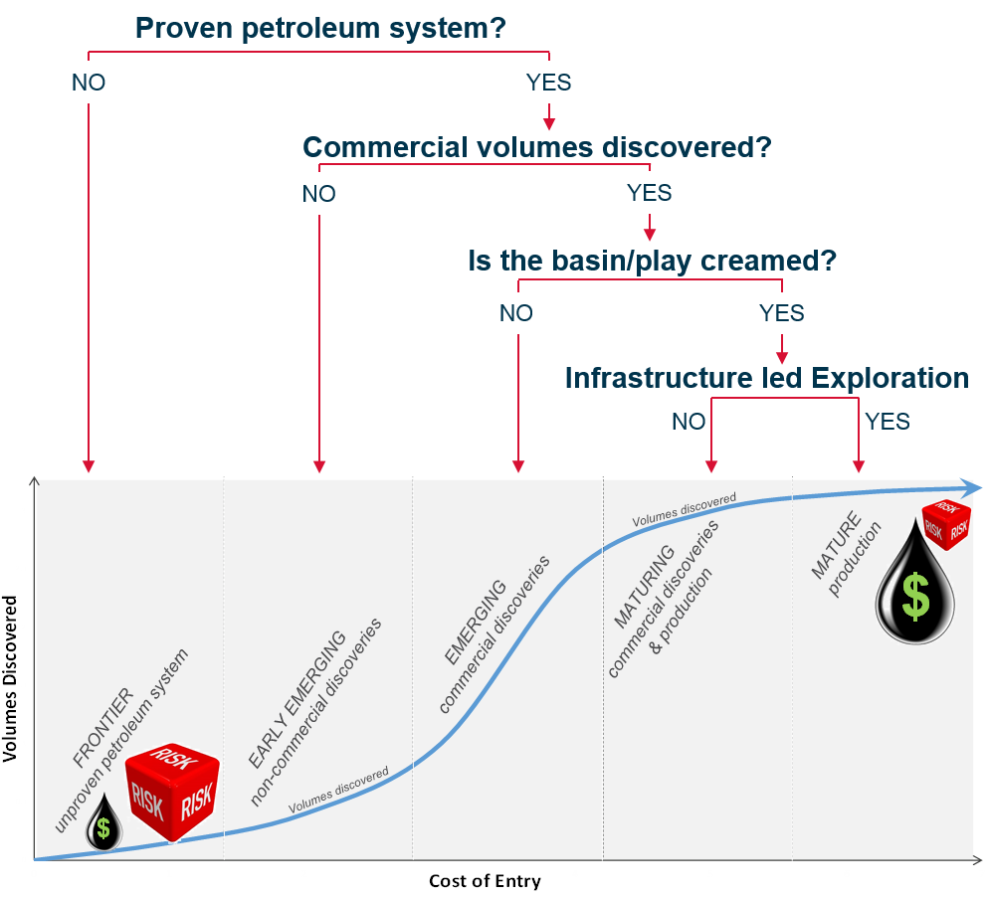
V.Singh, 2018

